seralutinib
 |  |  | Gossamer Bio. | Price | 2.4 | 0.78260869565 | acquired patent in 2017 from pulmokine, upfront payment of 5 million + 10 million for initiating ph3 trial + future premiums
drug | seralutinib |  |  | Shares | 230
moa | kinase inhibitor |  |  | Mc | 552
 | inhaler |  |  | Cash | 180
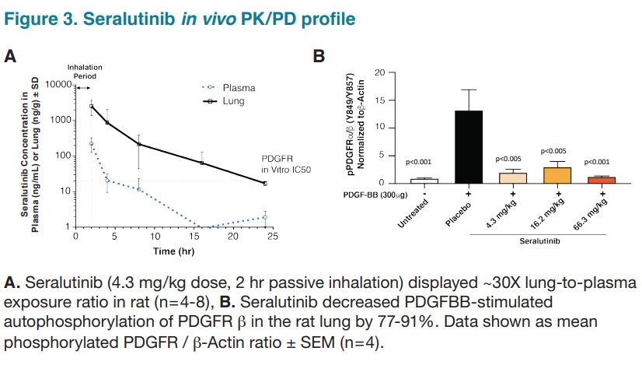
indication | pulmonary arterial hypertension (PAH) |  |  | Debt | 0 |  | PRECLINICAL:
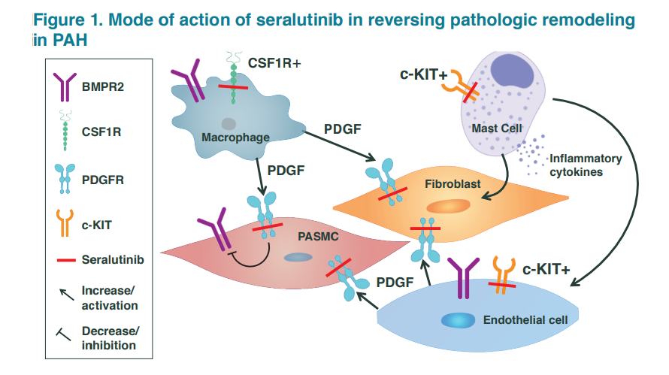
 |  |  |  | EV | 372
 |  |  |  | q1
 | Phase 1a | Phase 2 NCT04456998 | Phase 3 NCT05934526
 | randomized double blind placebo controlled two-part study | randomized double-blind placebo controlled trial, n=86, 60 mg twice daily for 2 weeks, increase to 90 mg if tolerated | randomized double-blind placebo controlled trial, n=390, 90mg twice daily
 | single ascending (3.75 to 90 mg) and multiple ascending (18 to 90mg, BID, 7d) dose studies in healthy volunteers, n=62 | PE: Change From Baseline to Week 24 in Pulmonary Vascular Resistance (PVR) P=0.03 | PE: Change in distance achieved on the six-minute walk test (6MWT), six-minute walk distance (Δ6MWD) from baseline to Week 24
 | rapid absorption and clearance | SE: Change From Baseline to Week 24 in Distance Achieved on the Six-Minute Walk Test (6MWT) P=0.597, NS
 | minimal accumulation in plasma | post hoc stat sig placebo-adjusted improvements in class 3 patients for both endpoints, PVR p=0.043 and 6MWD p=0.048 (small n)
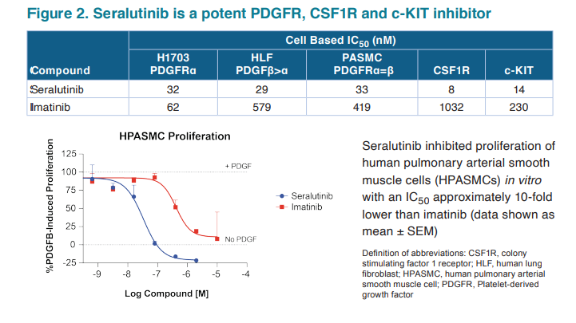
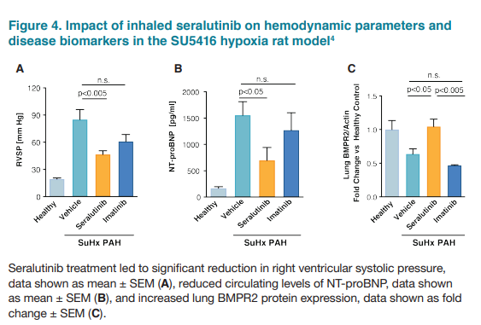

 | PHASE 2:
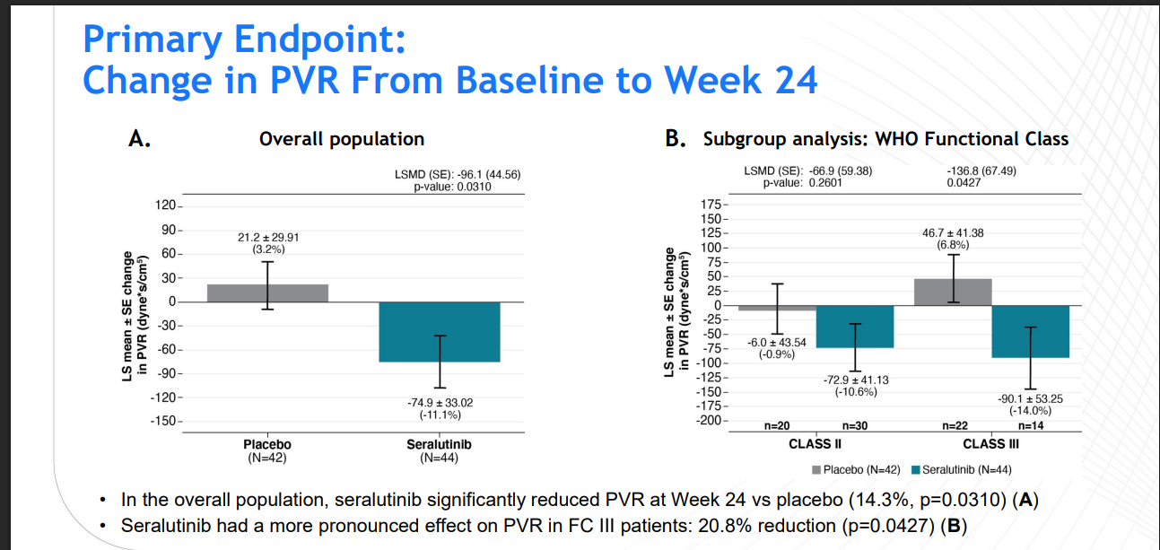

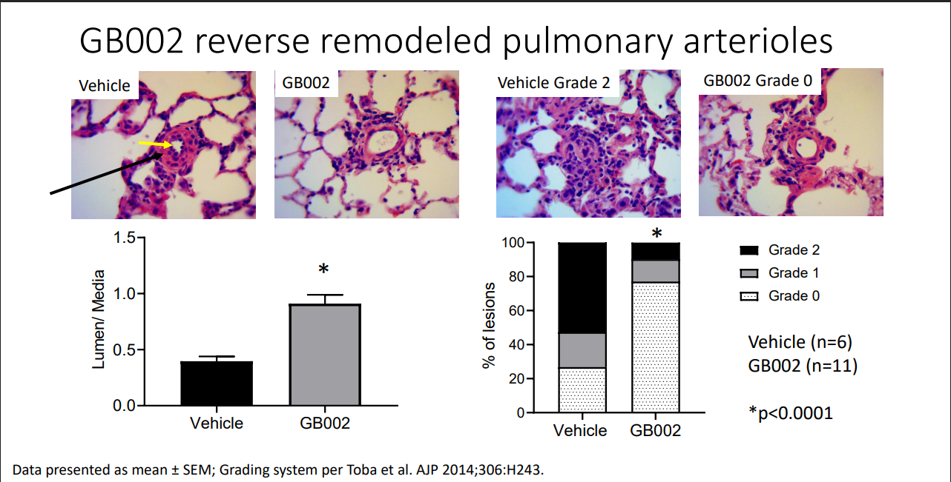

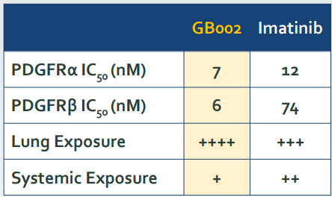

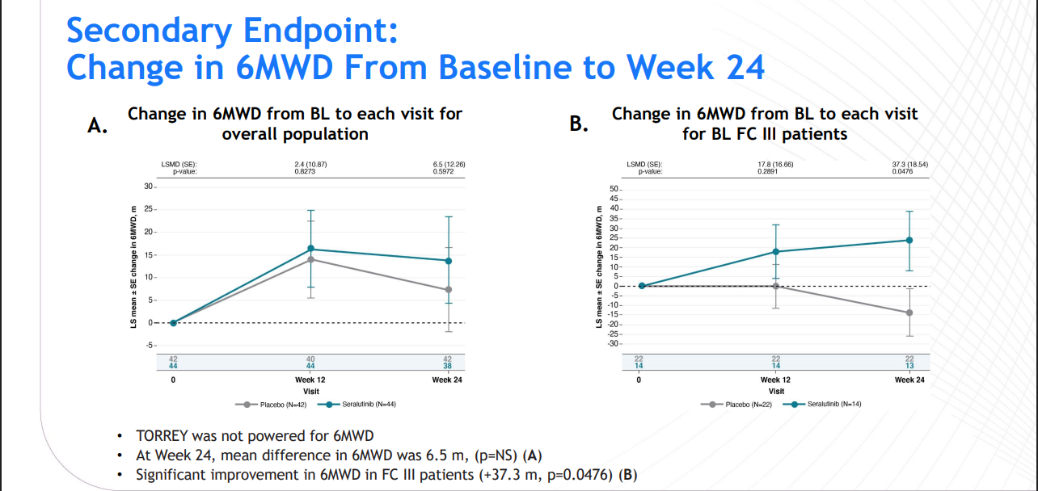

 |  |  |  |  |  |  | OPEN LABEL:
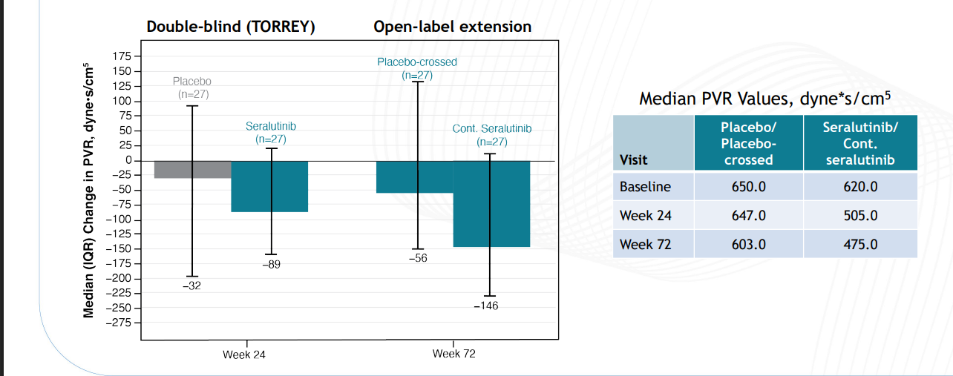

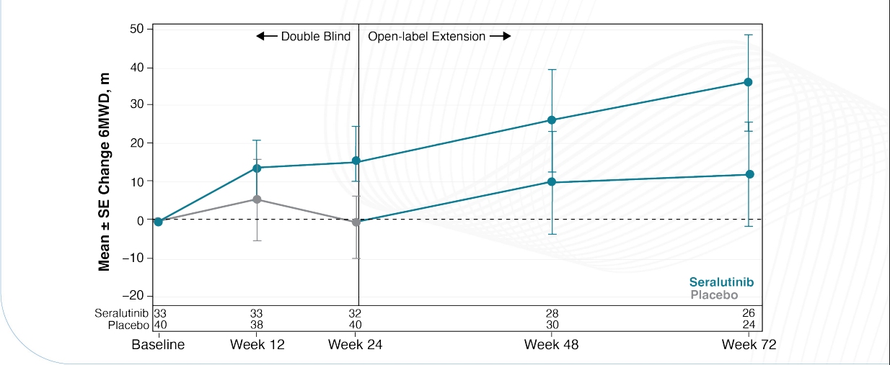
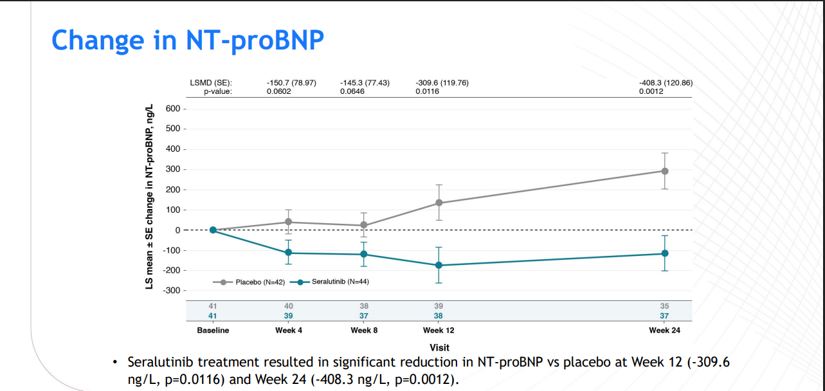

 |  |  |  |  |  |  | ^from their PR

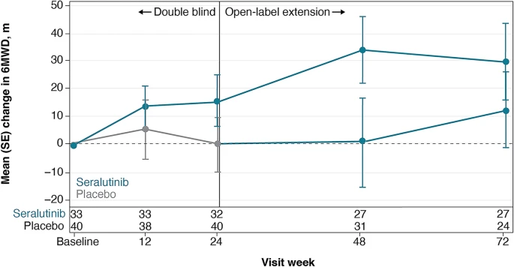
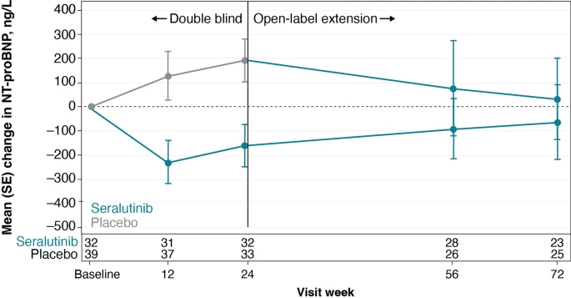

 |  |  |  |  |  |  | ^ from the peer reviewed paper

imatinib
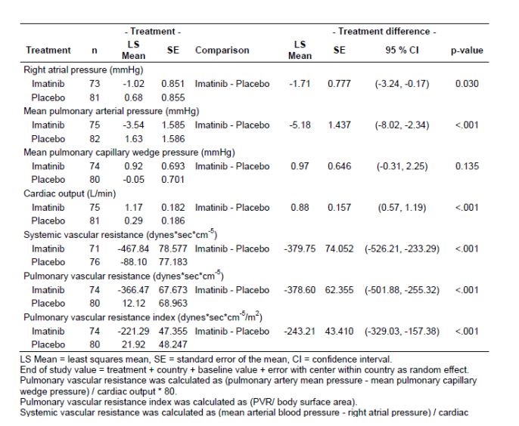
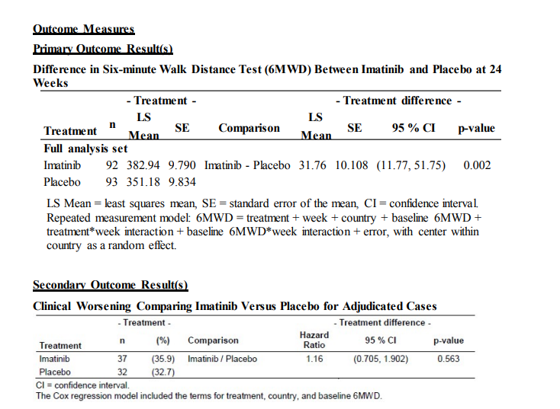
drug | imatinib | Phase 3
moa | kinase inhibitor | double blind, placebo-controlled trial, n=202
disaese | pulmonary arterial hypertension | PE: Difference in Six-minute Walk Distance Test (6MWD) Between Imatinib and Placebo at 24 Weeks, P= 0.002, n=185

 |  |  | https://www.novctrd.com/#/product?type=clinicalM&medicalConditionId=427&productId=279

